Sheet1
EXHIBITOR AUDIO VISUAL EQUIPMENT ORDER FORM

Hyatt Regency Chesapeake Bay
Equipment Rentals | Qty | DAILY RATE |  | Days | Total | Ordering Instructions
 |  |  | On Site | Used
DVD Player |  |  | $85.00
75" TV on rolling stand |  |  | $800.00 |  |  | The total charge per item is determined by multiplying
Laptop |  |  | $235.00 |  |  | the quantity by the daily rate by the number of days to
24" Monitor on table stand |  |  | $200.00 |  |  | be used.
1
55" monitor on floor stand. |  |  | $500.00 |  |  | Please include applicable Sales Tax on equipment
 |  |  |  |  | $0.00 | rental. TAX EXEMPT STATUS - If you are exempt
 |  |  |  |  | $0.00 | from payment of sales tax, we require you to forward
 |  |  |  |  | $0.00 | an exemption certificate for the state in which the
 |  |  |  |  | $0.00 | services are to be provided.
 |  |  |  |  |  | To guarantee equipment availability
 |  |  |  |  | $0.00 | this order should reach us 14 days prior to delivery.
 |  |  |  |  | $0.00
High Speed Internet | Qty | DAILY RATE |  | Days | Total | CANCELLATIONS:
 |  |  | On Site | Used |  | A Cancellation of equipment ordered must be received
Hardwired Internet at 7mbps. |  |  | $150.00 |  |  | 48 hours prior to delivery date to avoid a minimum one day charge
*Consult with PSAV for special internet needs
Note: Daily Rate is subject to change reliant upon software/hardware needs.
Electrical Services Requests | Qty | DAILY RATE |  | Days | Total | (All quotes will be emailed or discussed with the client before
 |  |  | On Site | Used |  | payment is processed.)
120v/20 amp circuit with Electrical Cord and Power Strip - (ideal for larger medical devices, coffee makers, food equipment, and extensive booth lighting.) |  | $85.00
120v/5 amp circuit with Extension Cord and Power strip - (ideal for laptops, phones, and small electrical devices.) |  | $42.00
 |  |  |  |  | $0.00
 | 0 |  |  | 0 | $0.00 | Delivery Information
 |  |  |  |  | $0.00
 |  |  |  |  | $0.00 | On-Site Contact:
Total
 |  |  |  |  |  | Booth #: | Room:
EQUIPMENT TOTAL
6% SALES TAX
LABOR $125/hr (1 hour minimum excluding wireless internet) |  |  |  |  |  | Delivery Date: | Time:
(Labor is non-taxable and is required for power drops.)
TOTAL DUE
Customer Information |  |  |  |  |  | Show Start Date: | Time:

Show/Convention Name:
 |  |  |  |  |  | Pickup Date: | Time:
Firm Name:

Address: |  |  |  |  |  | Special Instructions:

City: | State: |  | Zip:
 |  |  |  |  |  | Payment Information
Ordered By: | Telephone #:

Fax #: | email: |  |  |  |  | For security reasons, please call in all payment
 |  |  |  |  |  | requests to PSAV at the Hyatt Regency
If you don't see something you need, please call 410-901-6557 for assistance. |  |  |  |  |  | Chesapeake Bay. All payments must be made
PSAV |  |  |  |  |  | in advance.


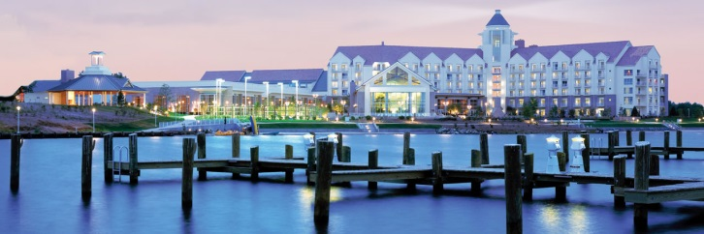
at the Hyatt Regency Chesapeake Bay
Contact your PSAV representative
Philip Kemmerlin
pkemmerlin@psav.com
100 Heron Blvd.
Cambridge, Maryland 21613
410-901-6557 (PHONE)
410-901-6555 (FAX)

